Lot A
SUPPLY OF FURNITURE
 | TECHNICAL SPECIFICATIONS | COMPARATIVE SPECIFICATION / REMARKS
A - Minimum technical requirements. |  | Comparative specification / remarks should indicate any deviation from technical parameter or functional description of tender specification or confirmation with "Yes" and if applicable further particularities.
1 | Outdoor Dining Table with 12 chairs
1.1 | Dimension up to (D: 100 CM, W: 250 CM, H: 80 CM) plus & minus 5 cm is acceptable
1.2 | Shape: Rectangular
1.3 | Table design: Dining Table
1.4 | Style: Modern (Patio, Dining Room)
1.5 | Material Type: Wooden,
1.6 | Unfolded chair
1.7 | Color: preferred to be woody
2 | Wooden dining table indoors with 6 chairs
2.1 | Dimension up to (D: 100 CM, W: 200 CM, H: 80 CM) plus & minus 5 cm is acceptable
2.2 | Shape: Rectangular
2.3 | Table design: Dining Table
2.4 | Style: Modern (Dining Room)
2.5 | Top Material Type: Wooden, Iron
2.6 | Seat: 6 Seats
3 | Single bed
3.1 | Wooden single bed
3.2 | Style: Modern
3.3 | Dimension: 120*200 cm (Mattress 100 cm) plus & minus 5 cm is acceptable
3.4 | Material: Wooden
4 | Mattress
4.1 | Dimension: 100 cm * 200 cm * 15 cm
4.2 | Foam : HD foam
4.3 | Style: Remov
4.4 | Cover: Cotton cover
5 | 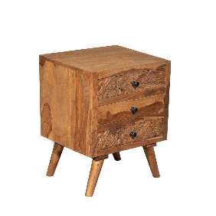 Bedside drawer
5.1 | Material: Wooden
5.2 | Dimension: 48 cm*48 cm*79 cm
5.3 | Configuration: 2 drawer
5.4 | Style: Modern
6 | Wardrobe
6.1 | Material: Wooden
6.2 | Dimension: up to (D: 40 CM, W: 80 CM, H: 200 CM)
6.3 | Doors: 2 Doors wardrobe
6.4 | Features: Clothes Rod & Shelves
6.5 | Style: Modern
7 | Table Lamp
7.1 | Style: Modern
7.2 | Materials : Metal, Fabric / PVC
7.3 | Dimension: 15cm * 50 cm (plus & minus 3 cm is acceptable )
7.4 | Specifications: Lamp holder, Voltage 110 – 220V, US plug.
7.5
8 | Coffee Table
8.1 | Style: Modern
8.2 | Materials : Wood
8.3 | Shape: Round
8.4 | Dimension: D: 40 CM, W: 40 CM, H: 40 CM

 | please check the next sheet LOT B specification

