Sheet1
BOQ for the Vocational Training Equipment - Safety kits Employment Promotion through Building Vocational Skills in The Construction Sector in Kirkuk City, Kirkuk Governorate, Iraq
Items
# | Items | Unit | Quantity | Price per unit (USD) | Total cost (USD) | Sample
1 | Extinguisher (Global 6 kg) مطفأة (نوع كلوبل4كيلو) | Pcs | 200 |  |  | 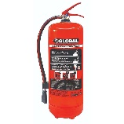
2 | Work suit (Power) بدلة عمل (نوع بور) | Pcs | 200 |  |  | 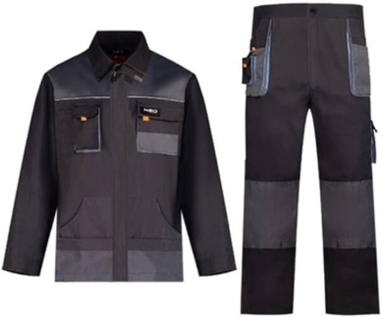
3 | Safety bot (Voltex) حذاء امان (فولتيكس) | Pair | 200 |  |  | 
 | Protective class نظارات واقية للعيون | Psc | 200
4 | Safety Gloves (Ingico) قفازات امان (نوع انجكو) | Dozen | 200 |  |  | 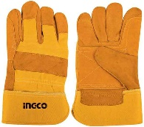
5 | Welding mask (Local made) قناع لحيم (صنع محلي) | Pcs | 200 |  |  | 