BoQ
GIZ - North Iraq
G230 SRN _ BoQ of the renovation works in Mar Mattie Monastery in Ninewa Province, Iraq PN: 20.1800-002.00 Monastery GPS coordinates: 36.490464, 43.442577
No. | Item | Unit | Qty | Price (IQD) | Brand of the material(s) to be use? | Amount (IQD) | Picture for illustration only
General notes:
1. Inspecting the situation on the site before submitting an offer is highly recommended. 2. The site's access situation must be checked in advance. 3. All works should be according to the Iraqi General Technical Specifications. 4. All materials must be new. 5. The unit prices include the transportation, installation, needed tools...etc all other needs to complete the works. 6. The awarded company has to consider that this is a monastery with everyday visitors and religious events. 7. The awarded company has to agree in advance with the monastery management regarding access to the premises, electricity, water, and materials storage on the site.
1.0 | Terrace No.3 (Garage area):
1.1 | Cleaning: Provide materials, workers, and tools needed for cleaning and start washing the concrete surface completely with water pumps to be free from grease and impurities that are attached to the concrete. | L.s | 1 |  | - | - | 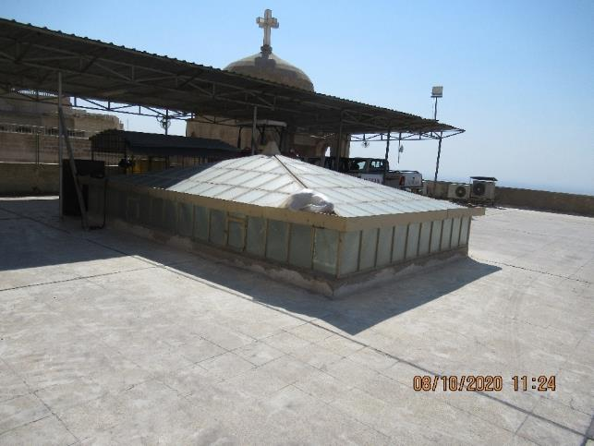 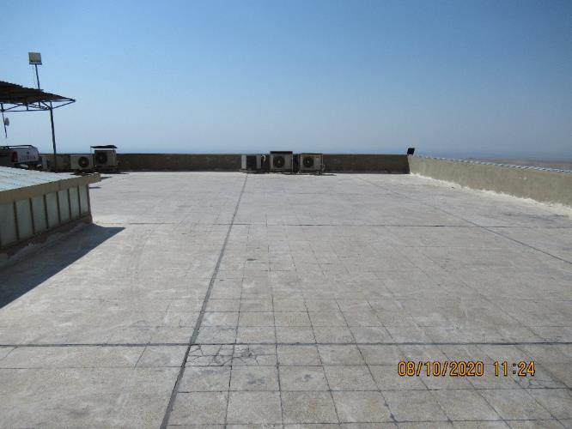
1.2 | Prepare and apply primer coat 1 layer momentum brand T-pox 2600, Tekno, Dryfix or similar. Technical specifications: * epoxy resin based primer. * Possible to apply on concrete. * Low viscosity. * Total Curing Time <= 7 days. * Compressive Strength 28 days: > 90 N/mm² (ASTM D695-10). | m2 | 600 |  | Brand:__________ | -
1.3 | Prepare and apply the second layer T-Pox 3700, Tekno, Dryfix or similar 1 layer. Technical specifications: * epoxy based interlayer and top coat floor coating. * Ultra high bond strength. * Compressive Strength 28 days: > 60 N/mm² (ASTM D695-10). * Total Curing Time <= 7 days. | m2 | 600 |  | Brand:__________ | -
1.4 | Prepare and apply final Layer T-pol 3600, Tekno, Dryfix or similar 1 layer. Technical specifications: * Self leveling. UV resistant. * Can be applied on epoxy based interlayer materials. * Total Curing Time 7 days. * Density Mixed Resin: 1,30-1,40 kg/liter. | m2 | 600 |  | Brand:__________ | -
2.0 | Treating tiles on slab 1+2 :
2.1 | Cleaning roof and : Clean both terraces before and after all the works, the price includes collecting and transferring the rubble outside the boundaries of the monastery (should be agreed with the municipality) according to the recommendations of the supervising engineer. | L.s | 1 |  | - | - | 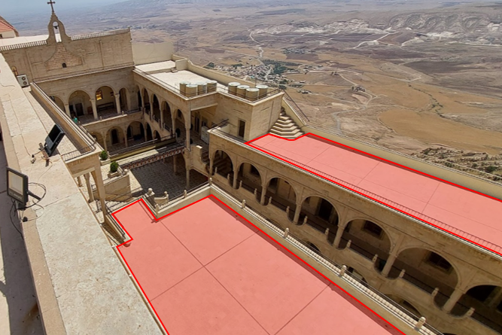 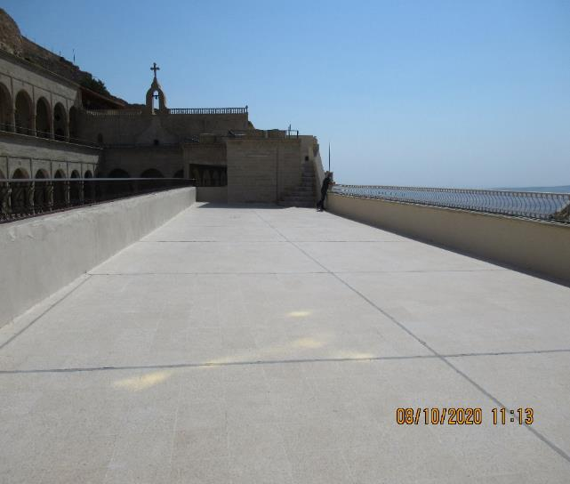 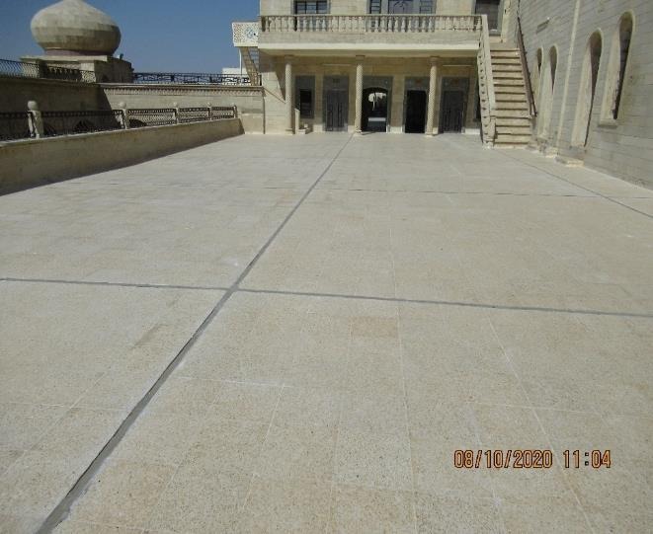
2.3 | Main layer: apply 2 layers of Isonem MS80 waterproofing, Tekno, Dryfix or similar as a final layer. Technical specifications: * Transparent Waterproofing Liquid For Exterior Surfaces. High penetration property. * Alkali resistance. * Protects from frost, rain and salt damages. * Water transmission rate (kg/ m2. h0,5) : ≥ 10 mm. Color : Transparent. | m2 | 600 |  | Brand:__________ | -
3.0 | Underground water tank leakage (4.6 M length * 4.5 M width * 2.5 M height): The underground concrete water tank is in a valley of 300m from the monastery on the southeast, the valley is ~60m deep compared to the road access of the monastery with a steep slope of ~30%. There is no vehicle access to the tank, so moving the materials, tools, and machines by works or other similar manner has to be considered, the tank water supply has bypass values which give a possibility to stop water from the tank and redirect it to the village close to the monastery.
3.1 | Cleaning: Provide materials, workers, and tools needed for cleaning, remove any old treatment by steel brush or any other alternative tool, and start washing the inner concrete surface of the tank completely with water pumps to be free from grease and impurities. The inside of the tank has to be heated to ~30˚C or above for at least one week with adequate air ventilation. The result of the heating shall make sure that the tank's inner surface is damp but not wet anymore (as per the technical data sheet of the materials) so that the treatment materials can be attached to the concrete in a very good way. | L.s | 1 |  |  | - | 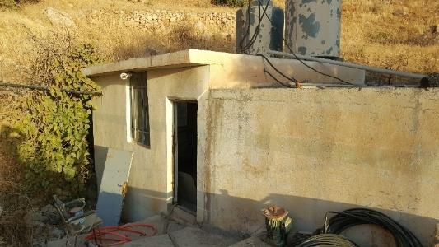 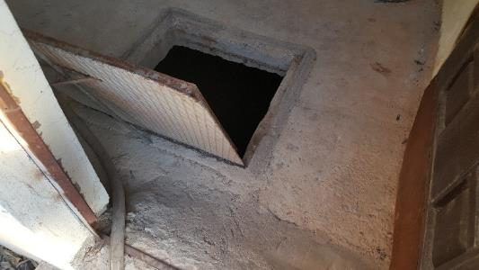 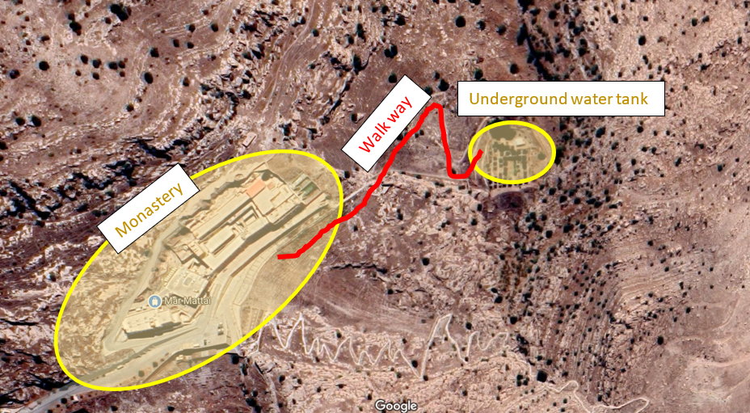
3.2 | Cracks and segregations: apply Kalekim Tamirat code (4004), Kalekim, Tekno or similar for segregation areas with below technical specifications: * Structural repairing. * Sulphate and Chloride resistant. * Can be applied to the concrete which subject to water. * High adhesion strength. * Resistance to water. * Compressive strength: >= 40 n/mm2 (7 days). and fill all the cracks with Kalekim Tamirat code (4001), Kalekim, Tekno or similar and the gaps in the walls and the floor with below technical specifications: * Thin repairing morter. * Smooth and slid surface. * Resistant to freeze. * Application thickness >=1mm. * Compressive strength >=15 N/mm2. * Shrinkage-Expansion restrain: >=0.8 N/mm2 | m2 | 65 |  | Brand:__________ Brand:__________ | -
3.3 | Treating corners: apply APOC incredible heavy-duty tape for all the corners (corners between walls and walls and corners between floor and walls). | m.l | 36 |  | Brand:__________ | -
3.4 | Water insulation: apply 2 layers of cement-based waterproofing product (ISONEM M 35, Tekno, Dryfix or similar) which provides deep insulation on the concrete surfaces. Technical specifications: * Waterproofing morter. * Cement-based. * Can be applied to walls and floors. * Can be applied to underground water tank. * Water transmission rate (kg/ m2. h0,5) : < 0,1 CLASS W3 | m2 | 65 |  | Brand:__________ | -
3.5 | Primer layer: apply a primer coat on all the walls and the floor of the tank using (ISONEM UNIVERSAL PRIMER, Tekno, Dryfix or similar). Technical specifications: pH (25°C) : 7.0 – 9.0 Water transmission rate (kg/ m2. h0,5) : < 0,1 CLASS W3 Solvent : Water. | m2 | 65 |  | Brand:__________ | -
3.6 | Main coat: apply three layers of the main coat (ISONEM MD 28, Tekno, Dryfix or similar) for the walls and the floor. Technical specification: * Cement based. * pH (25°C) : 7.0 – 9.0 * Water Transmission Rate (kg/ m2. h0,5): ≤ 0.1, CLASS W3. * Application Temperature (°C) : 5 or above. | m2 | 65 |  | Brand:__________ | -
 |  |  |  | Total |  | -

