BoQ
Action Contre La Faim / Action Against Hunger Bill of Quantity for Starndard Drip Irrigation System
N E | TECHNICAL SPECIFICATIONS:
 | All works must be within the plans and technical specifications of iraq ( IGTS - 1993) and roads specification(SORB - 2003), drawings, pictures, contract documents and instructions of the engineer.
 | All the materials should be new,good quality and approved by Supervisor Engineer. The unit prices should include transportation to Basra and Ninewa
No. | Items | Unit | Qtty | IQD | Total cost
Line: 1 | Pipes
1 : 1 | HDPE pipe Diameter of 2.5'' and 10 bar | Meter | 210 |  | IQD 0
1 : 2 | Irrigation drip pipes (GR) Diameter of 16mm, 40cm between each whole | Meter | 1200 |  | IQD 0
 |  |  |  |  | IQD 0
Line: 2 | Fitting accessories
2 : 1 | Elbow HDPE Male 2.5" and other side fitting 2.5" pipe | Piece | 3 |  | IQD 0
2 : 2 | Adapter HDPE Female 2.5" and other side fitting 2.5" pipe | Piece | 2 |  | IQD 0
2 : 3 | Tee HDPE Compression Tee 2.5" to 2.5" | Piece | 2 |  | IQD 0
2 : 4 | End cap 2.5" HDPE Stop Plastic Compression Fitting Water Pipe | Piece | 3 |  | IQD 0
2 : 5 | End cap 16mm 16mm HDPE Stop Plastic Compression Fitting Water Pipe | Piece | 75 |  | IQD 0
2 : 6 | Valve 2.5" Compression Fitting valve | Piece | 4 |  | IQD 0
2 : 7 | Valve 3/4" Male Thread Valve to 16mm | Piece | 75 |  | IQD 0
 |  |  |  |  | IQD 0
Line: 3 | Other materials
3 : 1 | Tanks with base Capacity: 450 gallons (approx. 1,703 liters) Materil: High-Density Polyethylene (HDPE) Diameter: ~48 to 55 inches (121 to 140 cm) Height: ~55 to 65 inches (140 to 165 cm) Wall Thickness: ~0.25 to 0.5 inches (6 to 13 mm) Outlet Fittings: 2" threaded HDPE or brass outlet Temperature Resistance: ~ -30°C to +60°C (-22°F to 140°F) | Piece | 1 |  | IQD 0
3 : 2 | Pump Type: Submersible, horizontal (or inline submersible if horizontal not available) Discharge Outlet Size: 2 inch (50 mm) Pump Material: Stainless steel (for corrosion resistance) or cast iron Flow Rate: 100–300 liters per minute (LPM) depending on tank size & crop needs Head (Total Lift Height): 20–50 meters (adjust depending on tank height and distance) Power Rating: 2 HP (horsepower), single or three-phase depending on availability Voltage: 220–240V single phase | Piece | 1 |  | IQD 0
3 : 3 | Water Pump Control Panels Voltage: 220-230V Phase: Single Power: 2HP Frequency: 50Hz Compontes:- Main Circuit Breaker (MCB/MCCB: Protects against overloads and short circuits; isolates the pump from power supply. Magnetic Contactor: Electromagnetically controls the switching ON/OFF of the water pump motor. Thermal Overload Relay (OLR): Protects the motor from overcurrent by tripping if current exceeds safe levels. Control Transformer: Steps down voltage for the control circuit (e.g., 220V to 24V AC/DC). Start/Stop Push Buttons: Manual control to start or stop the pump. Enclosure Box: Protects internal components from dust, moisture, and accidental contact. | Piece | 1 |  | IQD 0 | 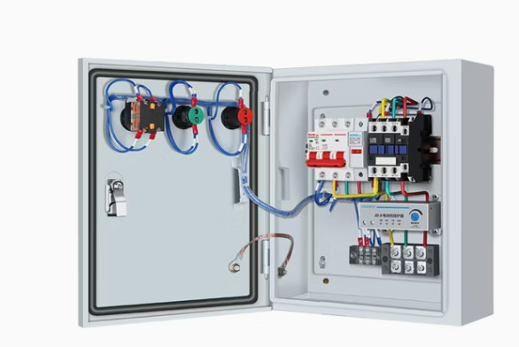
3 : 4 | Power cable From source of electricity to circuit then to pump. Size adapt to max power سلك الطاقة من المصدر إلى الدائرة ثم إلى الماطور. الحجم يتكيف مع القوة القصوى | Meter | 50 |  | IQD 0
3 : 5 | Fertilizer tank Capacity: 60 Liters Shape: Vertical Cylinder Material: UV-resistant HDPE (High-Density Polyethylene) or fiberglass reinforced plastic (FRP) Height: 60–70 cm Diameter: 35–45 cm Wall Thickness: ~4–6 mm Inlet and Outlet Connection: 2" Pressure Rating: 3–6 Bar Filter: Built-in mesh or inline filter (optional) | Piece | 1 |  | IQD 0
 |  |  |  |  | IQD 0
Line: 4 | Installation
4 : 1 | Installation of drip irrigation system on the ground including trenching, pipe laying, testing, and commissioning in Basra (Al-Qurna and Al-Dair) | Piece | 1 |  | IQD 0
 |  |  |  |  | IQD 0
No. | Total Expences B10 |  |  |  | Material Expences
1 | Line 1 |  |  |  | IQD 0
2 | Line 2 |  |  |  | IQD 0
3 | Line 3 |  |  |  | IQD 0
4 | Line 4 |  |  |  | IQD 0
TOTAL |  |  |  |  | IQD 0

