Tabelle1
Technical Specifications

Tender Name : |  | 10033032

No. | Lots | Item | Specifications | Sample picture | Quantity
 |  |  |  |  | Quantity | unit
Lot 1 Safety items
1 | Lot 1 | Safety tape | Tape for working site delimitation Length 50 to 70m Width 45 to 55mm Double color yellow / black or red / white |  | 100 | roll
2 | Lot 1 | Poles | Poles for working site delimitation | 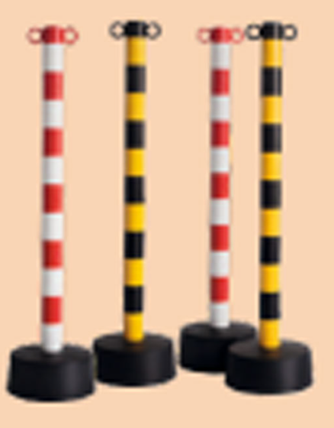 | 100 | pcs
3 | Lot 1 | PPE Safety shoes | PPE - Heavy duty working shoes: - Slip-resistant and puncture-resistant soles - Protective toecap - CE Certificate or equivalent Set that include 15 pairs of shoes: Size: - 1 pair of 38 - 2 pairs of 39 - 2 pairs of 40 - 2 pairs of 41 - 2 pairs of 42 - 3 pairs of 43 - 2 pairs of 44 - 1 pair of 45 | 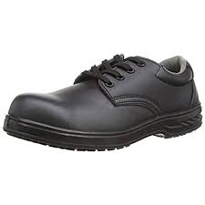 | 20 | set
4 | Lot 1 | PPE working cloth | PPE - Workwear salopette type (Long sleeve, Up tp 70% Cotton and 30%Polyester) Size:each set includes 15 salopettes: 3 Medium 5 Large 4 X Large 2 XXLarge 1 XXXLarge With reflecting strips Button or sleeve end are mandatory to prevent entabglement |  | 20 | set
5 | Lot 1 | ear plugs | Ear foam for manual insertion in the ear for noise cancellation Set of 100 pairs |  | 20 | set
6 | Lot 1 | Earmuff | Noise cancellation in industrial environment With confortable foam around the ears and band between the ear that allows work and movement without constraints |  | 300 | pcs
7 | Lot 1 | PPE safety helmet | PPE safety helmet (European norms: EN 397 or equivalent in International Standards): - Shock absorption, vertical - Penetration resistance (against sharp and pointed objects) - Flame resistance - Chin strap attachment: chin strap releases at 100N |  | 300 | pcs
8 | Lot 1 | PPE Eyewear | - for Metal cutting, Chipping, Grinding, Sanding, Polishing, Soldering, Machining. - Safe from impact hazards and 99.9% of UV rays; - Standards ANSI Z87.1 or similar; - Clear lenses, have side shields; - Protects eyes against debris, flying particles, dust, paint and smoke; |  | 300 | pcs
9 | Lot 1 | PPE working gloves | PPE - Heavy duty gloves (European norms: EN 420, EN 388 or equivalent in International Standards) |  | 300 | pairs
10 | Lot 1 | Eye wash station | Wall mount eye wash station green color, with 2 bottles (capacity 500ml each) of eye solution for emergency rincing (easy squiz for rapid intervention) Including manual |  | 50 | pcs
11 | Lot 1 | PPE 1st aid kit | PPE - First aid kit Content: - Moist wipes - 2 Disposable gloves - Gauze pads (at least 10 x 10cm) - Adhesive bandages (band-aids) - One package gauze roller bandage at least 2 inches wide - Scissors - Tweezers - Directions for requesting emergency assistance - Sterile eye pads - Saline solution - 10 Safety pins | 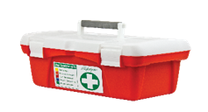 | 50 | pcs
12 | Lot 1 | Fire Blankets | Heat resistant material: 100% fiberglass, thickness of base fabric: 0.30in Size: at least 4-5ft X 6-8ft in length by width Temperature resistant from at least 900 ℃ must comply with BS EN 1869:1997 |  | 20 | pcs
13 | Lot 1 | Fire extinguisher | Fire extinguisher for fires class A, B and C, i. e. Dry chemical extinguisher Full, with expiry date written |  | 50 | pcs
14 | Lot 1 | Exit signs | Standard green Set of 2 as per image Dimension of each sign 10-15x25-30cm Compatible to hang on the wall |  | 10 | set
15 | Lot 1 | Slippery wet floor signs | Yellow plastic foldable signs "Caution wet floor" signal with international recognisable illustration Dimension when folded 75-80x40-45x3-5cm |  | 40 | pcs
Lot 2 Workshop equipment
16 | Lot 2 | Spill kit | Spill kit for oil and similar fluids - up to 15l - Absorbing material, pads, socks.. - Waste bags and ties - carrier - Including manual |  | 20 | kit
17 | Lot 2 | Floor jack | Jack Telescopic with Weight Lifting Capacity 1.5 Tons: max Capacity: 2.25 Ton Overall Length: 760 mm or longer Overall Width: 360 mm or wider Overall Height: 160 mm or higher Min Saddle Height: 100 mm or less Max Saddle Height: 530 mm or higher Stroke: 430 mm or more Handle Length: 1210 mm or longer | 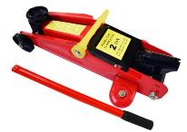 | 20 | pcs
18 | Lot 2 | PPE storage cabinet | - Dimensions H1700-1800 x W900-950 x D400-450mm - Coated Metal to support the industrial environment - 2 Doors – reinforced for added strength - 3 Adjustable shelves - 85kg Shelf load capacity - Two point locking and two keys |  | 50 | pcs
19 | Lot 2 | Trash bins | Set of 4 plastic bins, different colors, 35L to 40L, with covers |  | 20 | set
20 | Lot 2 | Foldable ladder | Safety foldable ladder (CE Certificate or equivalent, Aluminum foldable safety ladder (H: Range between 2m and 2.2m, Load: 135kg, Telescopic design, anti-slip feet, Spring loaded, J locks, Standards AS/NZS1892) |  | 20 | pcs
21 | Lot 2 | Multiplug cable roll | Multi-plug extension cord (L: Range between 20 and 30m, 16A, 4 sockets type E, CE Certificate or equivalent), portable with support for standing on the floor |  | 20 | pcs
22 | Lot 2 | Multiplug | Multi-plug extension cord (L: Range between 2 and 3m, 16A, 4 sockets type E, CE Certificate or equivalent), rectangle shape |  | 30 | pcs
23 | Lot 2 | Platform cart | Moving Warehouse Push Hand Size : 900-950mm by 600-650mm (Baseboard) or larger Maximum load: 300 kg Height: 850-950mm with the wheels. Wheels type: 4 heavy duty 100mm PU Rubber Swivel, castor heavy duty steel plate with double ball bearings swivel head. Pack comes with 2x swivel with brake, 2x swivel Frame material: stainless steel Package included: 1x hauling cart (includes the 20 screws, 20 washers, 4 wheels), 1x instruction Certificate: CE, GS, TUV or equivalent | 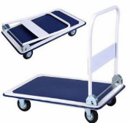 | 20 | pcs
Lot 3 tools for TVET school workshop
24 | Lot 3 | Work Bench | Steel or iron frame construction. Dimensions: L45-50" × W20-25" × H32-35" Wooden worktop, thickness 20-50 mm, suitable for attaching a bench vise or similar clamping devices. Minimum load capacity: 300 kg uniformly distributed load (UDL); preferred load capacity: 400-500 kg UDL. |  | 100 | pcs
25 | Lot 3 | Measuring tape | Measuring Tape (L: 5m, W: 2.5cm), retractable |  | 150 | pcs
26 | Lot 3 | Hammer | Set of 2 hammers with wood handle (hanlde length 15-25cm - 1 metal head - 1 rubber head (soft) |  | 150 | set
27 | Lot 3 | Pliers Set | Set of 5: Includes 6.5" long nose pliers, 6.5" diagonal pliers, 6" slip joint pliers, 7" linesmen pliers, 8" groove joint pliers Drop-forged steel for strength and durability |  | 150 | set
28 | Lot 3 | Screw Driver Kit | Material: Chrom vanadium Handle Material: Plastic / Rubber MagneticScrewdriver Tips 6" straight screwdriver Set of 6 Pcs, (3 flat-head and 3 phillips-head) size 6", 8" 10" and 12" |  | 150 | set
29 | Lot 3 | Set of Spanner / wrench | 8PC, Concave Panel combination spanner set (5/16 inch to 1 inch) Material: Chrome vanadium steel or carbon steel, heat treated Manufacturing technique: Drop forged Finishing: Half polished, chrome plated |  | 150 | set
30 | Lot 3 | Allen Key Set | Set of 10 pcs 1.5mm, 2,3,4,5,6,7 ,8,9& 10mm Heat Treated, Tempered Alloy Steel Provides High Strength and Resistance to Rotational Distortion |  | 150 | set
31 | Lot 3 | Toolbox | Heavy duty plastic toolbox: Foldable 1 layer, L: Up to 40cm, H: up to 20cm, W: Up to 20cm) |  | 150 | pcs
32 | Lot 3 | Hacksaw | Hacksaw (L:25cm) with 2 additional blades |  | 100 | pcs
33 | Lot 3 | Level | Spirit level (50cm) |  | 100 | pcs
34 | Lot 3 | Ruler | Metal ruler L:30cm (min 25, max 35cm), width 1cm standard |  | 150 | pcs
35 | Lot 3 | Putty knife | 4" fexible putty knife |  | 150 | pcs
36 | Lot 3 | Vernier caliper | Type A, flat and knife edge vernier caliper. For internal and external measurements. Measuring range 0-200mm. Stainless steel. |  | 100 | pcs
37 | Lot 3 | Multi meter | Range - 0 to 1000V (AC/DC), 0-20 A, 0-1000 Ohm, Battery operated and pair of test leads, Extra function: backlight, data hold, auto power off, low battery indication. Adjustable back tilt device with hook-up design. CE certificate or relevant IEC norms mandatory |  | 150 | pcs
38 | Lot 3 | Voltage & continuity tester | - 2 pins - for measurements 12V up to 690V ACDC - Continuity test function - IP65 - battery included - Voltage reading digital or by identified LEDs, no analog reading - Single pole test for phase detection CE certificate or relevant IEC norms mandatory |  | 150 | pcs
39 | Lot 3 | Cordless electric screw driver | With 2 batteries and charger 300 unit watt out, 18 to 20V, 1,3 to 1.5A Demountable battery to charge the empty one while working Speed up to 1450-1500rpm LED worklight Ergonomic hand grip With storing and transportation case / wallet Set of 30 bits in different forms, magnetic and mechanical grip holding in the screw driver head CE certificate or equivalent is required | 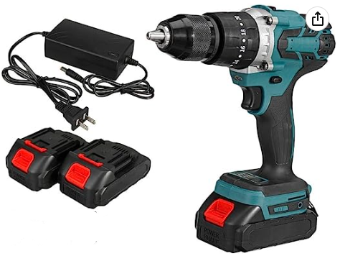 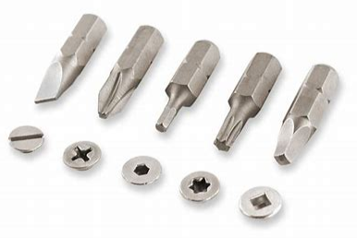 | 50 | pcs
40 | Lot 3 | electrical tester | Non contact voltage tester (inductance tester) LED on and sound when voltage is detected Voltage detection range : 90 V to 1000 V AC Safety Category IV CE certification | 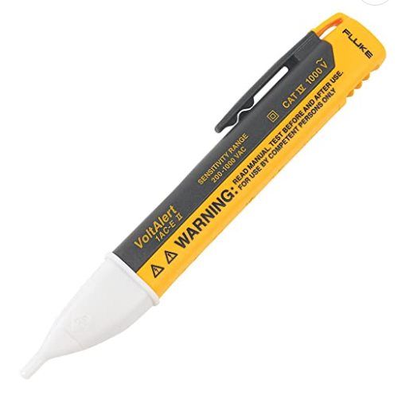 | 50 | pcs
41 | Lot 3 | Handlamp | Handlamp for handy work, with ergonomic grip 30- 45W on/off switch Autonomy min 4h With rechargeable battery Housing shall withstand workshop envionment Magnet on the foot for installation in unpracticable place |  | 50 | pcs
42 | Lot 3 | vacuum | Industrial vacuum, capacity between 35l to 45l Voltage 220-240V AC, european plug, CE certificate or equivalent For dry and wet vacuum cleaning | 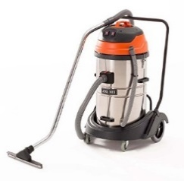 | 20 | pcs
43 | Lot 3 | Oiler | Oil can 300ml, metalic, with rigid or semi-rigid spout |  | 150 | pcs
Lot 4 consumables and maintenance items for TVET workshops
44 | Lot 4 | Brush | Medium paint brush (6- 8cm width) |  | 150 | pcs
45 | Lot 4 | Marker | Indelible black marker, wide tip |  | 300 | pcs
46 | Lot 4 | Lock | Lock made of brass, with keys, size of the moving part 1,5 -2cm outer diameter |  | 50 | pcs
47 | Lot 4 | Absorbant broom with wringing bucket | Plastic bucket (15to 25L) with wringing case and handle dimension width 25-35 x length 35-45cm x depth 25-35cm Telescopic broom (Max heigth 120-160cm) with spinning mop, absorbant head |  | 30 | pcs
48 | Lot 4 | Bucket | Plastic water-bucket (minimum 20l, max. 30l) with handle |  | 30 | pcs
49 | Lot 4 | Spray bottle | Plastic spray bottle (Capacity: 300 to 500ml) Plastic bottle with trigger sprayer, Handheld sturdy and stable type -Chemically resistant, chlorine solution etc. -Equipped with filter to protect the sprayer nozzle |  | 150 | pcs
50 | Lot 4 | Tank | Plastic tank (25L minimum to 35L maximum), resistand to corrosion With handle and cap |  | 50 | pcs
51 | Lot 4 | Broom and dustpan | Small broom and dustpan (Plastic, L: 22cm, Handle up to 15cm) |  | 50 | pcs
52 | Lot 4 | Broom | Polypropylene Broom with a stick ( L: 70-90cm) |  | 50 | pcs
53 | Lot 4 | Scrub brush | Plastic bristle scrub brush with handle ( L: 16-20cm, W: 8-10cm) |  | 50 | pcs
54 | Lot 4 | Wire brush | brush 8 to 15cm, with wood handle also 8 to 15cm Wire made of steel, length minimum 1.5cm |  | 150 | pcs
55 | Lot 4 | Nail brush | Nail brush, plastic or wood bristle, 7 to 10cm |  | 150 | pcs
56 | Lot 4 | Zip ties | Plastic ties set of 100 with 2 different sizes (10 to 30 cm long, 3 to 5mm wide) |  | 200 | set
57 | Lot 4 | Electrician tape | Electrical insulation tape, 1 set of 7 different colors: blue, red, yellow, green, black, white, silver, for electrician use Each tape should measure 20m x 15 to 20mm |  | 50 | set
58 | Lot 4 | Masking tape | Masking tape crepe paper (2cm wide, 10m length) |  | 800 | pcs
59 | Lot 4 | Masks | Disposable face mask (Box of 50 pieces) |  | 150 | box
60 | Lot 4 | Disposable gloves | - gloves for single-use, powder-free gloves - Made from materials such as latex, nitrile, vinyl, or polyethylene - Box of 50 pairs |  | 150 | box
61 | Lot 4 | Tissue | Hand tissue double layer (500 sheets) |  | 150 | box
62 | Lot 4 | Soap | Liquid soap (dispenser of 500ml) |  | 100 | pcs
63 | Lot 4 | Sponge | Large commercial sponge |  | 150 | pcs
64 | Lot 4 | Cotton rag | Cotton rag four houselhold |  | 150 | pcs
65 | Lot 4 | Detergent | Liquid detergent for all purpose, bottle of 2l |  | 50 | pcs
66 | Lot 4 | Commercial industrial degreaser | Commercial industrial degreaser, bottle of 2l |  | 50 | pcs
67 | Lot 4 | Lubricating / cleaning oil | - Lubricating and Cleaning multisurface, to remove dirt, grease and grime - Insoluble in water - NSF category K1 - For engines, gears, chains, industrial machinery, metal tools - 124oz |  | 150 | pcs
68 | Lot 4 | Stainless steel cleaner | Bottle of 750ml |  | 40 | bottles
69 | Lot 4 | gloves for chemical use | Polyathylene gloves (Box of 10 pairs) |  | 50 | box
70 | Lot 4 | Funnel | Plastic funnel, for industrial use, small diameter 1cm |  | 150 | pcs

Condition and Delivery plan: All items must be dispatched in 10 different batches (E. g. if 100 pieces of one item are ordered, 10 pieces are to be delivered in each batch) in each of following directorates: o Homs (2 batches), o Aleppo (2 batches), o Latakia (1 btach), o Racadar (1 batch), o Damascus (2 batches), o Rural Damascus Directorate (2 batches). Exact addresses may differ once we have the exact locations of the schools, but the city or area is correct. Please Provide the data sheet / catalogue for the items

